epsilon
0.1
iter | Tgas | k | c | Re | nu | n | Pr | m | h | diff %
0 | 1500 | 0.0946 | 0.8 | 1.53 | 2.29E-04 | 0.384 | 1 | 0 | 254.44 | 0
1 | 1431 | 0.0908 | 0.8 | 1.64 | 2.13E-04 | 0.384 | 1 | 0 | 251.25 | -4.5933180225
2 | 1432 | 0.0909 | 0.8 | 1.64 | 2.13E-04 | 0.384 | 1 | 0 | 251.29 | 0.066650607599
3 | 1432 |  |  |  |  |  |  |  |  | -0.00091194480453
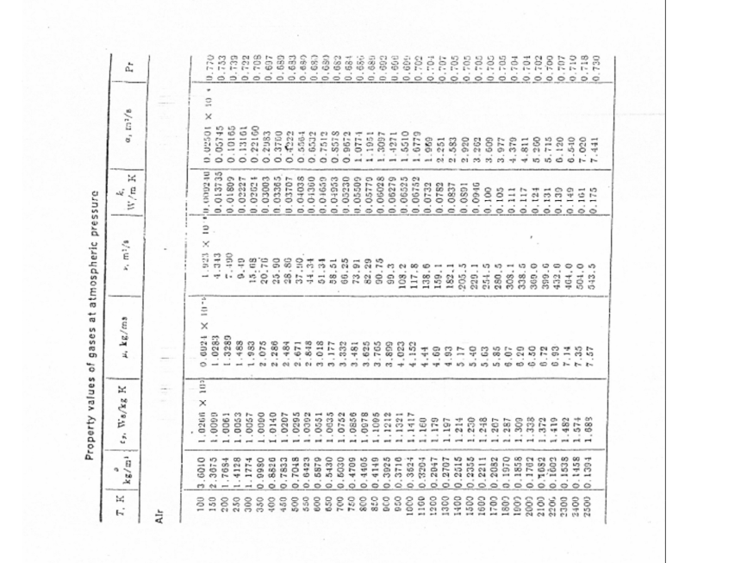
0.15
iter | Tgas | k | c | Re | nu | n | Pr | m | h | diff %
0 | 1500 | 0.0946 | 0.8 | 1.53 | 2.29E-04 | 0.384 | 1 | 0 | 254.44 | 0
1 | 1469 | 0.0929 | 0.8 | 1.58 | 2.22E-04 | 0.384 | 1 | 0 | 252.97 | -2.088310367
2 | 1469 | 0.0929 | 0.8 | 1.58 | 2.22E-04 | 0.384 | 1 | 0 | 252.97 | 0.044527400072
3 | 1469 |  |  |  |  |  |  |  |  | 0

0.2
iter | Tgas | k | c | Re | nu | n | Pr | m | h | diff %
0 | 1500 | 0.0946 | 0.8 | 1.53 | 2.29E-04 | 0.384 | 1 | 0 | 254.44 | 0
1 | 1506 | 0.0949 | 0.8 | 1.52 | 2.31E-04 | 0.384 | 1 | 0 | 254.67 | 0.41669728838
2 | 1506 |  |  |  |  |  |  |  |  | -0.0090732797948

0.25
iter | Tgas | k | c | Re | nu | n | Pr | m | h | diff %
0 | 1500 | 0.0946 | 0.8 | 1.53 | 2.29E-04 | 0.384 | 1 | 0 | 254.44 | 0
1 | 1544 | 0.0970 | 0.8 | 1.46 | 2.40E-04 | 0.384 | 1 | 0 | 256.10 | 2.9217049438
2 | 1543 | 0.0970 | 0.8 | 1.46 | 2.40E-04 | 0.384 | 1 | 0 | 256.10 | -0.078723411016
3 | 1543 |  |  |  |  |  |  |  |  | 0

0.3
iter | Tgas | k | c | Re | nu | n | Pr | m | h | diff %
0 | 1500 | 0.0946 | 0.8 | 1.53 | 2.29E-04 | 0.384 | 1 | 0 | 254.44 | 0
1 | 1581 | 0.0990 | 0.8 | 1.40 | 2.50E-04 | 0.384 | 1 | 0 | 257.57 | 5.4267125992
2 | 1579 | 0.0990 | 0.8 | 1.40 | 2.50E-04 | 0.384 | 1 | 0 | 257.57 | -0.17341740001
3 | 1579 |  |  |  |  |  |  |  |  | 0

Caso 1 |  |  | Caso 2 | Caso 3 |  | Caso 4 | Caso 5

D | 3.50E-04 | m
Ta | 300 | K
V | 1 | m/s |  | 1 | m/s |  | 1
Tg | 1356 | K
sigma | 5.67E-08
epsilon | 0.1 |  | 0.15 | 0.2 |  | 0.25 | 0.3

Tgas | 1432 |  | 1469 | 1506 |  | 1543 | 1579
Delta T | 76 |  | 113 | 150 |  | 187 | 223

V
 | 1300 | 0.0837 |  |  | 1.82E-04 |  | 0.705
 | 1400 | 0.0891 |  |  | 2.06E-04 |  | 0.705
 | 1500 | 0.0946 |  |  | 2.29E-04 |  | 0.705
 | 1600 | 0.1 |  |  | 2.55E-04 |  | 0.705

0.1
iter | Tgas | k | c | Re | nu | n | Pr | m | h | diff % | Tf
0 | 1500 | 0.0906 | 0.989 | 1.65 | 2.12E-04 | 0.33 | 0.705 | 0.3333 | 268.92 | 0 | 1428
1 | 1498 | 0.0906 | 0.989 | 1.65 | 2.12E-04 | 0.33 | 0.705 | 0.3333 | 268.86 | -0.12288187293 | 1427
2 | 1498 | 0.0906 | 0.989 | 1.65 | 2.12E-04 | 0.33 | 0.705 | 0.3333 | 268.86 | 0.0020963121601 | 1427
3 | 1498 |  |  |  |  |  |  |  |  | 0.00000

0.15
iter | Tgas | k | c | Re | nu | n | Pr | m | h | diff % | Tf
0 | 1500 | 0.0906 | 0.911 | 16.50 | 2.12E-04 | 0.385 | 0.705 | 0.3333 | 617.89 | 0 | 1428
1 | 1418 | 0.0884 | 0.911 | 17.29 | 2.02E-04 | 0.385 | 0.705 | 0.3333 | 613.50 | -5.4772008871 | 1387
2 | 1418 | 0.0884 | 0.911 | 17.29 | 2.02E-04 | 0.385 | 0.705 | 0.3333 | 613.50 | 0.031245219634 | 1387
3 | 1418 |  |  |  |  |  |  |  |  | 0.00000

0.2
iter | Tgas | k | c | Re | nu | n | Pr | m | h | diff % | Tf
0 | 1500 | 0.0906 | 0.683 | 41.25 | 2.12E-04 | 0.466 | 0.705 | 0.3333 | 890.99 | 0 | 1428
1 | 1399 | 0.0879 | 0.683 | 43.70 | 2.00E-04 | 0.466 | 0.705 | 0.3333 | 887.41 | -6.7419145443 | 1377
2 | 1399 | 0.0879 | 0.683 | 43.70 | 2.00E-04 | 0.466 | 0.705 | 0.3333 | 887.41 | 0.012381153134 | 1377
3 | 1399 |  |  |  |  |  |  |  |  | 0.00000
0.25
iter | Tgas | k | c | Re | nu | n | Pr | m | h | diff % | Tf
0 | 1500 | 0.0906 | 0.683 | 57.76 | 2.12E-04 | 0.466 | 0.705 | 0.3333 | 1042.24 | 0 | 1428
1 | 1393 | 0.0877 | 0.683 | 61.41 | 1.99E-04 | 0.466 | 0.705 | 0.3333 | 1037.83 | -7.1571682659 | 1374
2 | 1393 | 0.0877 | 0.683 | 61.41 | 1.99E-04 | 0.466 | 0.705 | 0.3333 | 1037.83 | 0.011203807852 | 1374
3 | 1393 |  |  |  |  |  |  |  |  | 0.00000

0.3
iter | Tgas | k | c | Re | nu | n | Pr | m | h | diff % | Tf
0 | 1500 | 0.0906 | 0.683 | 82.51 | 2.12E-04 | 0.466 | 0.705 | 0.3333 | 1230.70 | 0 | 1428
1 | 1387 | 0.0876 | 0.683 | 88.02 | 1.99E-04 | 0.466 | 0.705 | 0.3333 | 1225.26 | -7.5317545875 | 1371
2 | 1387 | 0.0876 | 0.683 | 88.02 | 1.99E-04 | 0.466 | 0.705 | 0.3333 | 1225.26 | 0.009960570374 | 1372
3 | 1387 |  |  |  |  |  |  |  |  | 0.00000

iter | Tgas | k | c | Re | nu | n | Pr | m | h | diff % | Tf
0 | 1500 | 0.0906 | 0.683 | 123.76 | 2.12E-04 | 0.466 | 0.705 | 0.3333 | 1486.66 | 0 | 1428
1 | 1382 | 0.0874 | 0.683 | 132.44 | 1.98E-04 | 0.466 | 0.705 | 0.3333 | 1479.81 | -7.8884170666 | 1369
2 | 1382 | 0.0874 | 0.683 | 132.44 | 1.98E-04 | 0.466 | 0.705 | 0.3333 | 1479.81 | 0.0086174233683 | 1369
3 | 1382 |  |  |  |  |  |  |  |  | 0.00000

1 m/s |  |  | 10 m/s | 25 m/s |  | 35 m/s | 50 m/s | 75 m/s |  | 1 m/s (OLD)

D | 3.50E-04 | m
Ta | 300 | K
V | 1 | m/s | 10 | 25 | m/s | 35 | 50 | 75
Tg | 1356 | K
sigma | 5.67E-08
epsilon | 0.2 |  | 0.2 | 0.2 |  | 0.2 | 0.2 | 0.2

Tgas | 1498 |  | 1418 | 1399 |  | 1393 | 1387 | 1382 |  | 1506
Delta T | 142 |  | 62 | 43 |  | 37 | 31 | 26 |  | 150

Ta
 | 1300 | 0.0837 |  |  | 1.82E-04 |  | 0.705
 | 1400 | 0.0891 |  |  | 2.06E-04 |  | 0.705
 | 1500 | 0.0946 |  |  | 2.29E-04 |  | 0.705
 | 1600 | 0.1 |  |  | 2.55E-04 |  | 0.705

0.1
iter | Tgas | k | c | Re | nu | n | Pr | m | h | diff % | Tf
0 | 1500 | 0.0906 | 0.989 | 1.65 | 2.12E-04 | 0.33 | 0.705 | 0.3333 | 268.92 | 0 | 1428
1 | 1498 | 0.0906 | 0.989 | 1.65 | 2.12E-04 | 0.33 | 0.705 | 0.3333 | 268.86 | -0.11739030616 | 1427
2 | 1498 | 0.0906 | 0.989 | 1.65 | 2.12E-04 | 0.33 | 0.705 | 0.3333 | 268.86 | 0.0020036753469 | 1427
3 | 1498 |  |  |  |  |  |  |  |  | 0.00000

0.15
iter | Tgas | k | c | Re | nu | n | Pr | m | h | diff % | Tf
0 | 1500 | 0.0906 | 0.911 | 1.65 | 2.12E-04 | 0.385 | 0.705 | 0.3333 | 254.63 | 0 | 1428
1 | 1506 | 0.0908 | 0.911 | 1.64 | 2.13E-04 | 0.385 | 0.705 | 0.3333 | 254.71 | 0.41498107968 | 1431
2 | 1506 | 0.0908 | 0.911 | 1.64 | 2.13E-04 | 0.385 | 0.705 | 0.3333 | 254.71 | -0.0032513524733 | 1431
3 | 1506 |  |  |  |  |  |  |  |  | 0.00000

0.2
iter | Tgas | k | c | Re | nu | n | Pr | m | h | diff % | Tf
0 | 1500 | 0.0906 | 0.683 | 1.65 | 2.12E-04 | 0.466 | 0.705 | 0.3333 | 198.81 | 0 | 1428
1 | 1548 | 0.0919 | 0.683 | 1.61 | 2.18E-04 | 0.466 | 0.705 | 0.3333 | 199.18 | 3.2280346943 | 1452
2 | 1548 | 0.0919 | 0.683 | 1.61 | 2.18E-04 | 0.466 | 0.705 | 0.3333 | 199.18 | -0.023008956457 | 1452
3 | 1548 |  |  |  |  |  |  |  |  | 0.00000
0.25
iter | Tgas | k | c | Re | nu | n | Pr | m | h | diff % | Tf
0 | 1500 | 0.0906 | 0.683 | 1.65 | 2.12E-04 | 0.466 | 0.705 | 0.3333 | 198.81 | 0 | 1428
1 | 1548 | 0.0919 | 0.683 | 1.61 | 2.18E-04 | 0.466 | 0.705 | 0.3333 | 199.18 | 3.2280346943 | 1452
2 | 1548 | 0.0919 | 0.683 | 1.61 | 2.18E-04 | 0.466 | 0.705 | 0.3333 | 199.18 | -0.023008956457 | 1452
3 | 1548 |  |  |  |  |  |  |  |  | 0.00000

0.3
iter | Tgas | k | c | Re | nu | n | Pr | m | h | diff % | Tf
0 | 1500 | 0.0906 | 0.683 | 1.65 | 2.12E-04 | 0.466 | 0.705 | 0.3333 | 198.81 | 0 | 1428
1 | 1548 | 0.0919 | 0.683 | 1.61 | 2.18E-04 | 0.466 | 0.705 | 0.3333 | 199.18 | 3.2280346943 | 1452
2 | 1548 | 0.0919 | 0.683 | 1.61 | 2.18E-04 | 0.466 | 0.705 | 0.3333 | 199.18 | -0.023008956457 | 1452
3 | 1548 |  |  |  |  |  |  |  |  | 0.00000

iter | Tgas | k | c | Re | nu | n | Pr | m | h | diff % | Tf
0 | 1500 | 0.0906 | 0.683 | 1.65 | 2.12E-04 | 0.466 | 0.705 | 0.3333 | 198.81 | 0 | 1428
1 | 1548 | 0.0919 | 0.683 | 1.61 | 2.18E-04 | 0.466 | 0.705 | 0.3333 | 199.18 | 3.2280346943 | 1452
2 | 1548 | 0.0919 | 0.683 | 1.61 | 2.18E-04 | 0.466 | 0.705 | 0.3333 | 199.18 | -0.023008956457 | 1452
3 | 1548 |  |  |  |  |  |  |  |  | 0.00000

1 m/s |  |  | 10 m/s | 25 m/s |  | 35 m/s | 50 m/s | 75 m/s |  | 1 m/s (OLD)

D | 3.50E-04 | m
Ta | 280 | K | 290 | 300 |  | 310 | 320 | 330
V | 1 | m/s | 1 | 1 |  | 1 | 1 | 1
Tg | 1356 | K
sigma | 5.67E-08
epsilon | 0.2 |  | 0.2 | 0.2 |  | 0.2 | 0.2 | 0.2

Tgas | 1498 |  | 1506 | 1548 |  | 1548 | 1548 | 1548 |  | 1506
Delta T | 142 |  | 150 | 192 |  | 192 | 192 | 192 |  | 150

